tables1
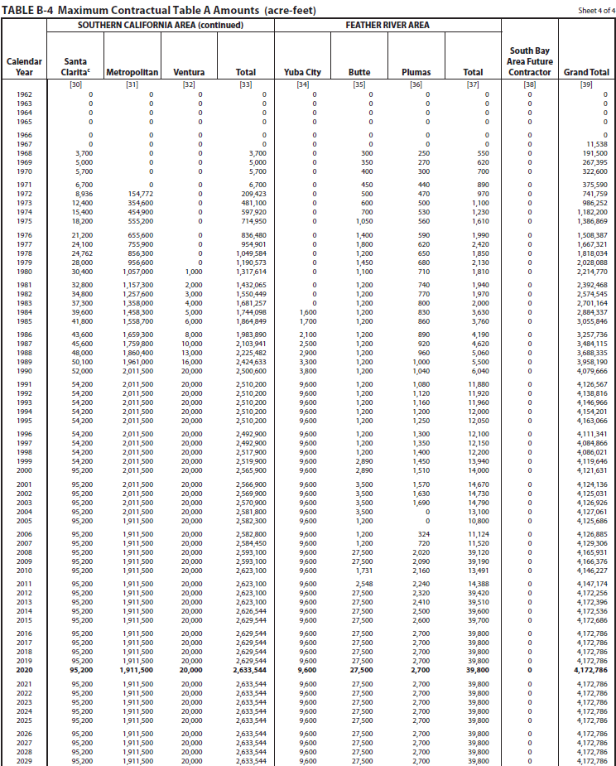

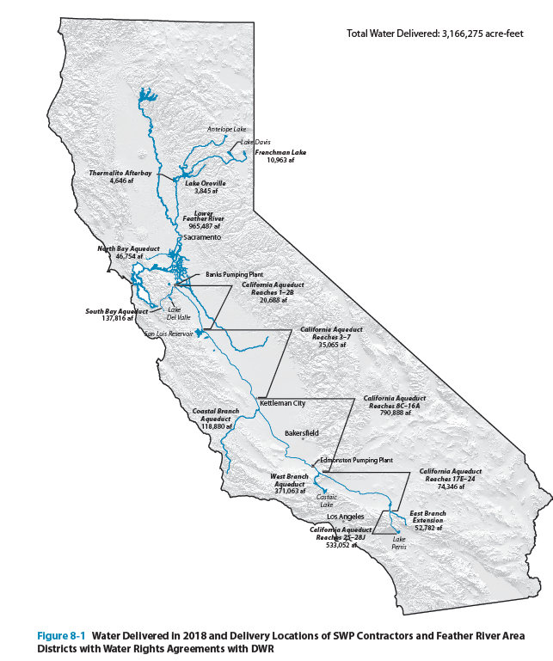

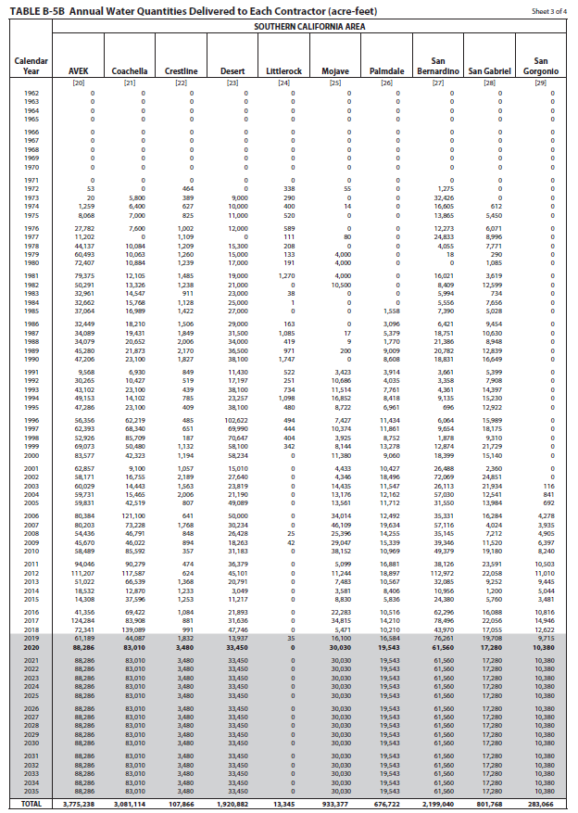
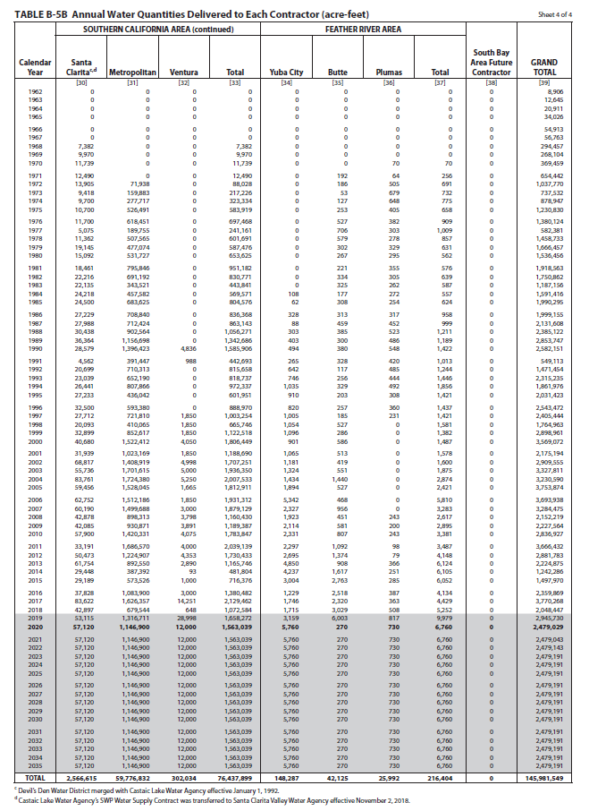

tables2
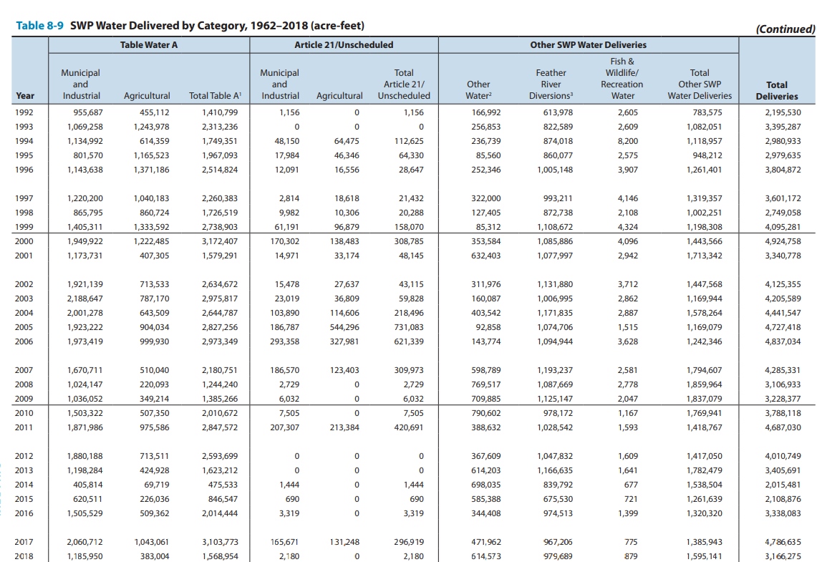
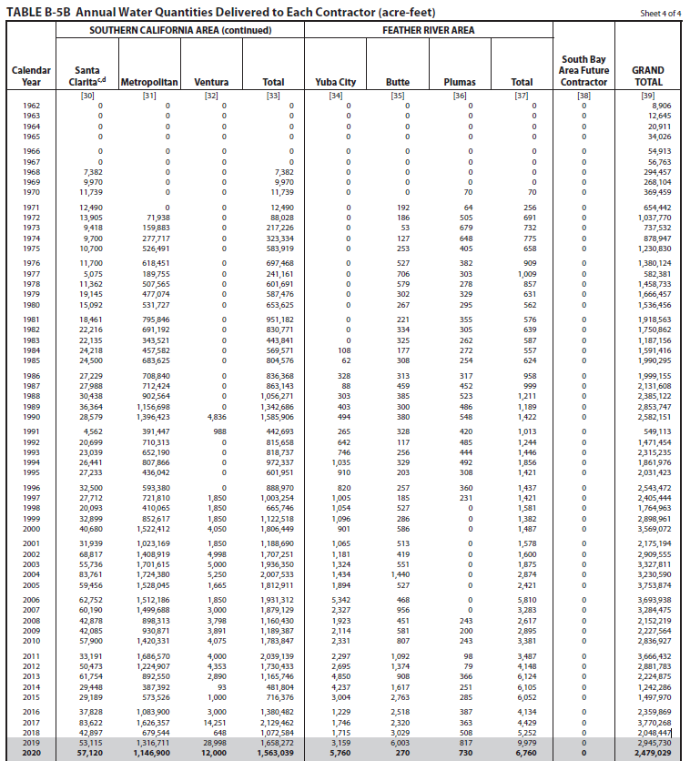
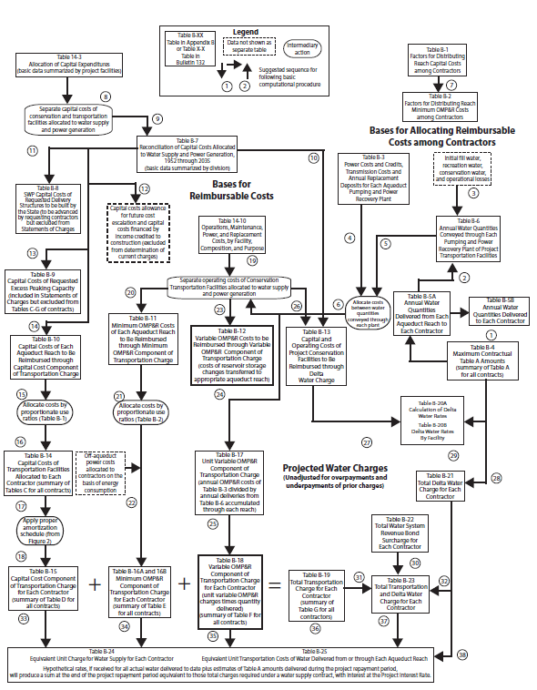
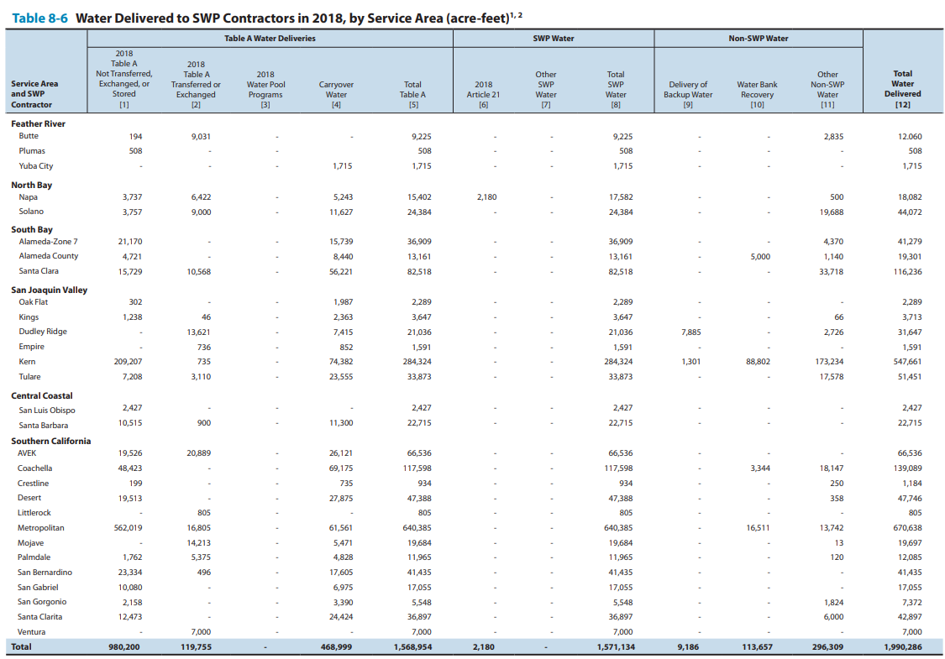
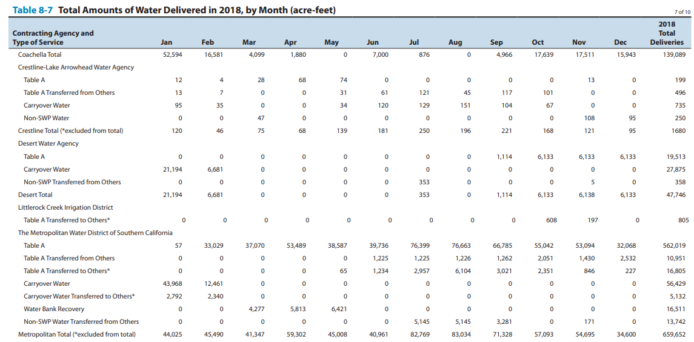

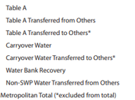
562019 |  | 637715
10951 |  | 659652
16805
56429 | 61561
5132
16511
13742
659652

Sheet3
78 | 2015 | 2015-03-02 | 20% | 382300 |  |  |  |  |  |  |  |  |  |  |  | max alloc south coast | 2500000
82 | 2016 | 2016-03-17 | 45% | 860175 |  | MED | allocation | socal | 2017 | 2018 |  |  |  |  |  | max alloc total | 4100000
83 | 2016 | 2016-04-21 | 60% | 1146900 |  | 1911500 | 669025 | 2629544 | 2235112.4 | 920340.4
86 | 2017 | 2017-01-18 | 60% | 1146900 |  |  |  |  | 2103635.2 | 1051817.6
87 | 2017 | 2017-04-14 | 85% | 1624775 |  | january | 23893.75
88 | 2017 | 2017-11-29 | 15% | 286725 | 23893.75 | february | 31858.333333
89 | 2018 | 2018-01-29 | 20% | 382300 | 31858.333333 | march
90 | 2018 | 2018-04-24 | 30% | 573450 | 47787.5 | april
91 | 2018 | 2018-05-21 | 35% | 669025 | 55752.083333 | may
 |  |  |  |  |  | june
 |  |  |  |  |  | july
 |  |  |  |  |  | august |  |  |  |  |  | MED
 |  |  |  |  |  | september |  |  |  |  |  |  |  |  | percent allocation | allocation from swp | total swp+non-swp
 |  |  |  |  |  | october |  |  |  |  |  | 2008 | 2008-02-01 | 35 | 0.35 | 669,025
 |  |  |  |  |  | november |  |  |  |  |  | 2009 | 2009-05-20 | 40 | 0.4 | 764,600
 |  |  |  |  |  | december |  |  |  |  |  | 2010 | 2010-06-22 | 50 | 0.5 | 955,750
 |  |  |  |  |  |  |  |  |  |  |  | 2011 | 2011-04-20 | 80 | 0.8 | 1,529,200
 |  |  |  |  |  |  |  |  |  |  |  | 2012 | 2012-05-23 | 65 | 0.65 | 1,242,475
 |  |  |  |  |  |  |  |  |  |  |  | 2013 | 2013-03-22 | 35 | 0.35 | 669,025
 |  |  |  |  |  |  |  |  |  |  |  | 2014 | 2014-04-18 | 5 | 0.05 | 95,575
 |  |  |  |  |  |  |  |  |  |  |  | 2015 | 2015-03-02 | 20 | 0.2 | 382,300
 |  |  |  |  |  |  |  |  |  |  |  | 2016 | 2016-04-21 | 60 | 0.6 | 1,146,900
 |  |  |  |  |  |  |  |  |  |  |  | 2017 | 2017-04-14 | 85 | 0.85 | 1,624,775
 |  |  |  |  |  |  |  |  |  |  |  | 2018 | 2018-05-21 | 35 | 0.35 | 669,025

 |  |  |  |  |  |  |  |  |  |  |  |  | this is approximate | table8-9 | table b-5b | table b-5b |  |  |  |  | portfolio | socal total deliveries | WEST | SANTA ANA | South Coast Deliveries | Monthly deliveries | WY deliveries
 |  |  |  |  |  |  |  |  |  |  | YEAR | ALLOCATION | table A | table A deliveries | total deliveries | total deliveries to SC | SWDI-delta |  |  |  |  |  | 78774 | 477315 | 556089 | 46340.75
 |  |  |  |  |  |  |  |  |  |  | 1992 | 45 | 4138816 | 1,410,799 | 1471454 |  | 0.1 | 1992 | 1533500 | 2002 | 1533.5 | 1707251 | 779284 | 818028 | 1680514 | 140042.83333 | 1399407.75 |  |  | D | 2002 | 9.32 | 4.57 | 14.6 | 6.35 | D | 1.27 | 2.75 | 4.06 | 2.34 | D
 |  |  |  |  |  |  |  |  |  |  | 1993 | 100 | 4138816 | 2,313,236 | 2315235 |  | 0.63333333333 | 1993 | 1712900 | 2003 | 1712.9 | 1,936,350 | 735699 | 922901 | 1771048 | 147587.33333 | 1748414.5 |  |  | BN | 2003 | 10.71 | 7.74 | 19.31 | 8.21 | AN | 1.25 | 3.49 | 4.87 | 2.81 | BN
 |  |  |  |  |  |  |  |  |  |  | 1994 | 50 | 4138816 | 1,749,351 | 1861976 |  | 0.24444444444 | 1994 | 1836200 | 2004 | 1836.2 | 2,007,533 | 850007 | 1034153 | 1971235 | 164269.58333 | 1921188.25 |  |  | D | 2004 | 10.95 | 4.4 | 16.04 | 7.51 | BN | 1.51 | 2.25 | 3.81 | 2.21 | D
 |  |  |  |  |  |  |  |  |  |  | 1995 | 100 | 4138816 | 1,967,093 | 2031423 |  | 0.88888888889 | 1995 | 1528500 | 2005 | 1528.5 | 1,812,911 | 577251 | 1010254 | 1693416 | 141118 | 1762870.75 |  |  | W | 2005 | 8.4 | 9.28 | 18.55 | 8.49 | AN | 2.73 | 6.28 | 9.21 | 4.75 | W
 |  |  |  |  |  |  |  |  |  |  | 1996 | 100 | 4138816 | 2,514,824 | 2543472 | 888970 | 0.76666666667 | 1996 | 1469700 | 2006 | 1469.7 | 1,931,312 | 616546 | 1153995 | 1898072 | 158172.66667 | 1846908 |  |  | W | 2006 | 18.06 | 13.09 | 32.09 | 13.2 | W | 2.86 | 7.37 | 10.44 | 5.9 | W
 |  |  |  |  |  |  |  |  |  |  | 1997 | 100 | 4138816 | 2,260,383 | 2405444 | 1003254 | 0.63055555556 | 1997 | 1596400 | 2007 | 1596.4 | 1,879,129 | 760750 | 953803 | 1862977 | 155248.08333 | 1871750.75 |  |  | C | 2007 | 6.59 | 3.04 | 10.28 | 6.19 | D | 0.99 | 1.46 | 2.51 | 1.97 | C
 |  |  |  |  |  |  |  |  |  |  | 1998 | 100 | 4138816 | 1,726,519 | 1764963 | 665746 | 0.94722222222 | 1998 | 1269200 | 2008 | 1269.2 | 1,160,430 | 531832 | 533227 | 1154557 | 96213.083333 | 1331662 |  |  | C | 2008 | 5.9 | 3.82 | 10.28 | 5.16 | C | 0.99 | 2.45 | 3.49 | 2.06 | C
 |  |  |  |  |  |  |  |  |  |  | 1999 | 100 | 4138816 | 2,738,903 | 2898961 | 1,122,518 | 0.76388888889 | 1999 | 985700 | 2009 | 985.7 | 1,189,387 | 631969 | 410043 | 1133153 | 94429.416667 | 1138504 |  |  | BN | 2009 | 7.05 | 5.3 | 13.02 | 5.78 | D | 1.51 | 3.35 | 4.94 | 2.72 | BN
 |  |  |  |  |  |  |  |  |  |  | 2000 | 90 | 4138816 | 3,172,407 | 3569072 | 1806449 | 0.62777777778 | 2000 | 826900 | 2010 | 826.9 | 1,783,847 | 412240 | 851786 | 1372019 | 114334.91667 | 1312302.5 |  |  | AN | 2010 | 7.45 | 7.78 | 16.01 | 7.08 | BN | 1.43 | 4.53 | 6.08 | 3.55 | AN
 |  |  |  |  |  |  |  |  |  |  | 2001 | 39 | 4138816 | 1,579,291 | 2175194 | 1,188,690 | 0.38333333333 | 2001 | 900700 | 2011 | 900.7 | 2,039,139 | 411366 | 1066088 | 1632033 | 136002.75 | 1567029.5 |  |  | W | 2011 | 12.68 | 11.53 | 25.21 | 10.54 | W | 3.68 | 6.9 | 10.99 | 5.58 | W
 |  |  |  |  |  |  |  |  |  |  | 2002 | 70 | 4138816 | 2,634,672 | 2909555 | 1707251 | 0.46388888889 | 2002 | 1170400 | 2012 | 1170.4 | 1,730,433 | 593774 | 771982 | 1486712 | 123892.66667 | 1523042.25 |  |  | D | 2012 | 5.69 | 5.46 | 11.84 | 6.89 | BN | 0.83 | 1.86 | 2.76 | 2.18 | D
 |  |  |  |  |  |  |  |  |  |  | 2003 | 90 | 4138816 | 2,975,817 | 3327811 | 1,936,350 | 0.61111111111 | 2003 | 1060800 | 2013 | 1060.8 | 1,165,746 | 612912 | 458221 | 1141526 | 95127.166667 | 1227822.5 |  |  | C | 2013 | 8.52 | 3.01 | 12.19 | 5.83 | D | 1.33 | 1.67 | 3.05 | 1.71 | C
 |  |  |  |  |  |  |  |  |  |  | 2004 | 65 | 4138816 | 2,644,787 | 3230590 | 2,007,533 | 0.51388888889 | 2004 | 642900 | 2014 | 642.9 | 481,804 | 305533 | 129317 | 466804 | 38900.333333 | 635484.5 |  |  | C | 2014 | 4.29 | 2.59 | 7.46 | 4.07 | C | 0.46 | 1.21 | 1.72 | 1.16 | C
 |  |  |  |  |  |  |  |  |  |  | 2005 | 90 | 4138816 | 2,827,256 | 3753874 | 1,812,911 | 0.81111111111 | 2005 | 456400 | 2015 | 456.4 | 716,376 | 466081 | 220068 | 716376 | 59698 | 653983 |  |  | C | 2015 | 6.91 | 1.77 | 9.23 | 4 | C | 0.67 | 0.74 | 1.44 | 0.81 | C
annual allocation (%) - SWDI delta
 |  |  |  |  |  |  |  |  |  |  | 2006 | 100 | 4138816 | 2,973,349 | 3693938 | 1,931,312 | 0.89722222222 | 2006 | 917300 | 2016 | 917.3 | 1,380,482 | 544471 | 711654 | 1331134 | 110927.83333 | 1177444.5 |  |  | D | 2016 | 12.24 | 4.6 | 17.48 | 6.71 | BN | 2.03 | 2.98 | 5.06 | 2.35 | D
 |  |  |  |  |  |  |  |  |  |  | 2007 | 60 | 4138816 | 2,180,751 | 3284475 | 1,879,129 | 0.38055555556 | 2007 | 1042900 | 2018 | 1042.9 | 1,072,584 | 370993 | 585739 | 1030755 | 85896.25 | 1105849.75 |  |  | BN | 2018 | 7.09 | 5.05 | 12.86 | 7.14 | BN | 1.64 | 3.01 | 4.76 | 3.03 | BN
 |  |  |  |  |  |  |  |  |  |  | 2008 | 35 | 4138816 | 1,244,240 | 2152219 | 1,160,430 | 0.23611111111 | 2008 | 921500 | 2019 | 921.5 | 1,692,431 | 344386 | 1064337 | 1525437 | 127119.75 | 1401766.5 |  |  | W | 2019 | 13.11 | 10.66 | 24.77 | 10.34 | W | 2.64 | 6.34 | 9.28 | 4.94 | W
 |  |  |  |  |  |  |  |  |  |  | 2009 | 40 | 4138816 | 1,385,266 | 2227564 | 1,189,387 | 0.23055555556 | 2009 | 1039600 | 2020 | 1039.6 | 744,490 | 403632 | 282457 | 735426 | 61285.5 | 932928.75 |  |  | D | 2020 | 4.91 | 4.13 | 9.71 | 6.12 | D | 0.8 | 2.15 | 3.02 | 2.35 | D
 |  |  |  |  |  |  |  |  |  |  | 2010 | 50 | 4138816 | 2,010,672 | 2836927 | 1,783,847 | 0.57777777778 | 2010 |  | 2021 |  |  | 307743 | 151041 | 458784 | 38232 | 527944.5 |  |  | C | 2021 | 3.52 | 2.26 | 6.37 | 3.8 | C | 0.51 | 1.24 | 1.8 | 1.32 | C
 |  |  |  |  |  |  |  |  |  |  | 2011 | 80 | 4138816 | 2,847,572 | 3666432 | 2,039,139 | 0.93055555556 | 2011 |  | 2022 |  |  | 320845 | 107304 | 428149 | 35679.083333 | 435807.75 |  |  | C | 2022 | 6.71 | 3.49 | 10.79 | 4.55 | C | 1.58 | 1.63 | 3.32 | 1.56 | C
 |  |  |  |  |  |  |  |  |  |  | 2012 | 65 | 4138816 | 2,593,699 | 2883211 | 1,730,433 | 0.48611111111 | 2012
 |  |  |  |  |  |  |  |  |  |  | 2013 | 35 | 4138816 | 1,623,212 | 2224875 | 1,165,746 | 0.31388888889 | 2013 |  |  |  |  | Total
 |  |  |  |  |  |  |  |  |  |  | 2014 | 5 | 4172256 | 475,533 | 1242286 | 481,804 | 0.072222222222 | 2014 |  |  |  | 2002 | 2817838 |  |  |  |  |  | MOJAVE | WEST | SANTA ANA | TOTAL
 |  |  |  |  |  |  |  |  |  |  | 2015 | 20 | 4172786 | 846,547 | 1497970 | 716,376 | 0.058333333333 | 2015 |  |  |  | 2003 | 3403230 |  |  |  |  | 1962 | 0 | 0 | 0 | 0
 |  |  |  |  |  |  |  |  |  |  | 2016 | 60 | 4172786 | 2,021,891 | 2359869 | 1,380,482 | 0.3 | 2016 |  |  |  | 2004 | 3448760 |  |  |  |  | 1963 | 0 | 0 | 0 | 0
 |  |  |  |  |  |  |  |  |  |  | 2017 | 85 | 4172786 | 3,103,773 | 3770284 | 2,129,362 | 0.85833333333 | 2017 |  |  |  | 2005 | 3056090 |  |  |  |  | 1964 | 0 | 0 | 0 | 0
 |  |  |  |  |  |  |  |  |  |  | 2018 | 35 | 4172786 | 1,568,954 | 2048578 | 1,072,584 | 0.46111111111 | 2018 |  |  |  | 2006 | 3024372 |  |  |  |  | 1965 | 0 | 0 | 0 | 0
 |  |  |  |  |  |  |  |  |  |  | 2019 | 75 |  |  | 3058493 | 1,692,431 | 0.79444444444 | 2019 |  |  |  | 2007 | 2999376 |  |  |  |  | 1966 | 0 | 0 | 0 | 0
 |  |  |  |  |  |  |  |  |  |  | 2020 | 20 |  |  | 1589256 | 744,490 | 0.41111111111 | 2020 |  |  |  | 2008 | 1796626 |  |  |  |  | 1967 | 0 | 0 | 0 | 0
 |  |  |  |  |  |  |  |  |  |  | 2021 | 5 |  |  | 1365901 |  | 0.11111111111 | 2021 |  |  |  | 2009 | 1861742 |  |  |  |  | 1968 | 0 | 0 | 0 | 0
 |  |  |  |  |  |  |  |  |  |  | 2022 | 5 |  |  | 1267989 |  | 0.15555555556 | 2022 |  |  |  | 2010 | 2840662 |  |  |  |  | 1969 | 0 | 0 | 0 | 0
 |  |  |  |  |  |  |  |  |  |  | 2023 | 100 |  |  |  |  | 0.85 |  |  |  |  | 2011 | 3373140 |  |  |  |  | 1970 | 0 | 0 | 0 | 0
total deliveries SWDI delta from 2000 to 2022
 |  |  |  |  |  |  |  |  |  |  | 2024 | 40 |  |  |  |  | 0.52222222222 |  |  |  |  | 2012 | 2449814 |  |  |  |  | 1971 | 0 | 0 | 0 | 0
table A deliveries SWDI delta from 1992 to SWDI
table A deliveries SWDI delta from 2007 to 2018
 |  |  |  |  |  |  |  |  |  |  |  |  |  |  |  |  |  |  |  |  |  | 2013 | 1785100 |  |  |  |  | 1972 | 857 | 71991 | 1275 | 74123
 |  |  |  |  |  |  |  |  |  |  |  |  |  |  |  |  |  |  |  |  |  | 2014 | 774784 |  |  |  |  | 1973 | 679 | 155317 | 51812 | 207808
 |  |  |  |  |  |  |  |  |  |  |  |  |  |  |  |  |  |  |  |  |  | 2015 | 1147052 |  |  |  |  | 1974 | 2264 | 209172 | 102198 | 313634
 |  |  |  |  |  |  |  |  |  |  |  |  |  |  |  |  |  |  |  |  |  | 2016 | 2167800 |  |  |  |  | 1975 | 9387 | 374306 | 189526 | 573219
 |  |  |  |  |  |  |  |  |  |  |  |  |  |  |  |  |  |  |  |  |  | 2017 | 3252714 |  |  |  |  | 1976 | 29349 | 420708 | 235711 | 685768
 |  |  |  |  |  |  |  |  |  |  |  |  |  |  |  |  |  |  |  |  |  | 2018 | 1359090 |  |  |  |  | 1977 | 12502 | 122447 | 101137 | 236086
 |  |  |  |  |  |  |  |  |  |  |  |  |  |  |  |  |  |  |  |  |  | 2019 | 2694324 |  |  |  |  | 1978 | 45554 | 171139 | 373636 | 590329
 |  |  |  |  |  |  |  |  |  |  |  |  |  |  |  |  |  |  |  |  |  | 2020 | 863518 |  |  |  |  | 1979 | 65886 | 145598 | 356854 | 568338
 |  |  |  |  |  |  |  |  |  |  |  |  |  |  |  |  |  |  |  |  |  |  |  |  |  |  |  | 1980 | 77837 | 165931 | 395975 | 639743
 |  |  |  |  |  |  |  |  |  |  |  |  |  |  |  |  |  |  |  |  |  |  |  |  |  |  |  | 1981 | 86130 | 283264 | 569088 | 938482
 |  |  |  |  |  |  |  |  |  |  |  |  |  |  |  |  |  |  |  |  |  |  |  |  |  |  |  | 1982 | 62029 | 360878 | 395164 | 818071
 |  |  |  |  |  |  |  |  |  |  |  |  |  |  |  |  |  |  |  |  |  |  |  |  |  |  |  | 1983 | 33910 | 166995 | 230277 | 431182
 |  |  |  |  |  |  |  |  |  |  |  |  |  |  |  |  |  |  |  |  |  |  |  |  |  |  |  | 1984 | 33791 | 272101 | 250938 | 556830
 |  |  |  |  |  |  |  |  |  |  |  |  |  |  |  |  |  |  |  |  |  |  |  |  |  |  |  | 1985 | 40044 | 403097 | 349336 | 792477
 |  |  |  |  |  |  |  |  |  |  |  |  |  |  |  |  |  |  |  |  |  |  |  |  |  |  |  | 1986 | 37214 | 393203 | 392650 | 823067
 |  |  |  |  |  |  |  |  |  |  |  |  |  |  |  |  |  |  |  |  |  |  |  |  |  |  |  | 1987 | 42419 | 433452 | 375451 | 851322
table A deliveries SWDI delta from 2000 to 2018
table A deliveries SWDI delta from 1992 to 2006
 |  |  |  |  |  |  |  |  |  |  |  |  |  |  |  |  |  |  |  |  |  |  |  |  |  |  |  | 1988 | 38283 | 507169 | 499285 | 1044737
 |  |  |  |  |  |  |  |  |  |  |  |  |  |  |  |  |  |  |  |  |  |  |  |  |  |  |  | 1989 | 57630 | 611681 | 658730 | 1328041
 |  |  |  |  |  |  |  |  |  |  |  |  |  |  |  |  |  |  |  |  |  |  |  |  |  |  |  | 1990 | 59388 | 791355 | 728723 | 1579466
 |  |  |  |  |  |  |  |  |  |  |  |  |  |  |  |  |  |  |  |  |  |  |  |  |  |  |  | 1991 | 16276 | 263909 | 161032 | 441217
 |  |  |  |  |  |  |  |  |  |  |  |  |  |  |  |  |  |  |  |  |  |  |  |  |  |  |  | 1992 | 45756 | 435661 | 328354 | 809771
 |  |  |  |  |  |  |  |  |  |  |  |  |  |  |  |  |  |  |  |  |  |  |  |  |  |  |  | 1993 | 63544 | 451263 | 244678 | 759485
 |  |  |  |  |  |  |  |  |  |  |  |  |  |  |  |  |  |  |  |  |  |  |  |  |  |  |  | 1994 | 76306 | 490819 | 393690 | 960815
 |  |  |  |  |  |  |  |  |  |  |  |  |  |  |  |  |  |  |  |  |  |  |  |  |  |  |  | 1995 | 63858 | 157629 | 320978 | 542465
 |  |  |  |  |  |  |  |  |  |  |  |  |  |  |  |  |  |  |  |  |  |  |  |  |  |  |  | 1996 | 76196 | 286066 | 417656 | 779918
 |  |  |  |  |  |  |  |  |  |  |  |  |  |  |  |  |  |  |  |  |  |  |  |  |  |  |  | 1997 | 85712 | 323212 | 451874 | 860798
 |  |  |  |  |  |  |  |  |  |  |  |  |  |  |  |  |  |  |  |  |  |  |  |  |  |  |  | 1998 | 66187 | 208916 | 332198 | 607301
 |  |  |  |  |  |  |  |  |  |  |  |  |  |  |  |  |  |  |  |  |  |  |  |  |  |  |  | 1999 | 91969 | 357664 | 497787 | 947420
 |  |  |  |  |  |  |  |  |  |  |  |  |  |  |  |  |  |  |  |  |  |  |  |  |  |  |  | 2000 | 105211 | 668126 | 853786 | 1627123
 |  |  |  |  |  |  |  |  |  |  |  |  |  |  |  |  |  |  |  |  |  |  |  |  |  |  |  | 2001 | 78774 | 477315 | 631363 | 1187452
 |  |  |  |  |  |  |  |  |  |  |  |  |  |  |  |  |  |  |  |  |  |  |  |  |  |  |  | 2002 | 83202 | 779284 | 818028 | 1680514
 |  |  |  |  |  |  |  |  |  |  |  |  |  |  |  |  |  |  |  |  |  |  |  |  |  |  |  | 2003 | 112448 | 735699 | 922901 | 1771048
 |  |  |  |  |  |  |  |  |  |  |  |  |  |  |  |  |  |  |  |  |  |  |  |  |  |  |  | 2004 | 87075 | 850007 | 1034153 | 1971235
 |  |  |  |  |  |  |  |  |  |  |  |  |  |  |  |  |  |  |  |  |  |  |  |  |  |  |  | 2005 | 105911 | 577251 | 1010254 | 1693416
 |  |  |  |  |  |  |  |  |  |  |  |  |  |  |  |  |  |  |  |  |  |  |  |  |  |  |  | 2006 | 127531 | 616546 | 1153995 | 1898072
 |  |  |  |  |  |  |  |  |  |  |  |  |  |  |  |  |  |  |  |  |  |  |  |  |  |  |  | 2007 | 148424 | 760750 | 953803 | 1862977
 |  |  |  |  |  |  |  |  |  |  |  |  |  |  |  |  |  |  |  |  |  |  |  |  |  |  |  | 2008 | 89498 | 531832 | 533227 | 1154557
 |  |  |  |  |  |  |  |  |  |  |  |  |  |  |  |  |  |  |  |  |  |  |  |  |  |  |  | 2009 | 91141 | 631969 | 410043 | 1133153
 |  |  |  |  |  |  |  |  |  |  |  |  |  |  |  |  |  |  |  |  |  |  |  |  |  |  |  | 2010 | 107993 | 412240 | 851786 | 1372019
 |  |  |  |  |  |  |  |  |  |  |  |  |  |  |  |  |  |  |  |  |  |  |  |  |  |  |  | 2011 | 154579 | 411366 | 1066088 | 1632033
 |  |  |  |  |  |  |  |  |  |  |  |  |  |  |  |  |  |  |  |  |  |  |  |  |  |  |  | 2012 | 120956 | 593774 | 771982 | 1486712
 |  |  |  |  |  |  |  |  |  |  |  |  |  |  |  |  |  |  |  |  |  |  |  |  |  |  |  | 2013 | 70393 | 612912 | 458221 | 1141526
 |  |  |  |  |  |  |  |  |  |  |  |  |  |  |  |  |  |  |  |  |  |  |  |  |  |  |  | 2014 | 31954 | 305533 | 129317 | 466804
 |  |  |  |  |  |  |  |  |  |  |  |  |  |  |  |  |  |  |  |  |  |  |  |  |  |  |  | 2015 | 30227 | 466081 | 220068 | 716376
 |  |  |  |  |  |  |  |  |  |  |  |  |  |  |  |  |  |  |  |  |  |  |  |  |  |  |  | 2016 | 75009 | 544471 | 711654 | 1331134
 |  |  |  |  |  |  |  |  |  |  |  |  |  |  |  |  |  |  |  |  |  |  |  |  |  |  |  | 2018 | 74023 | 370993 | 585739 | 1030755
 |  |  |  |  |  |  |  |  |  |  |  |  |  |  |  |  |  |  |  |  |  |  |  |  |  |  |  | 2019 | 116714 | 344386 | 1064337 | 1525437
 |  |  |  |  |  |  |  |  |  |  |  |  |  |  |  |  |  |  |  |  |  |  |  |  |  |  |  | 2020 | 49337 | 403632 | 282457 | 735426
 |  |  |  |  |  |  |  |  |  |  |  |  |  |  |  |  |  |  |  |  |  |  |  |  |  |  |  | 2021 | 33349 | 307743 | 151041 | 492133
 |  |  |  |  |  |  |  |  |  |  |  |  |  |  |  |  |  |  |  |  |  |  |  |  |  |  |  | 2022 | 23757 | 320845 | 107304 | 451906

deliveries from each aqueduct
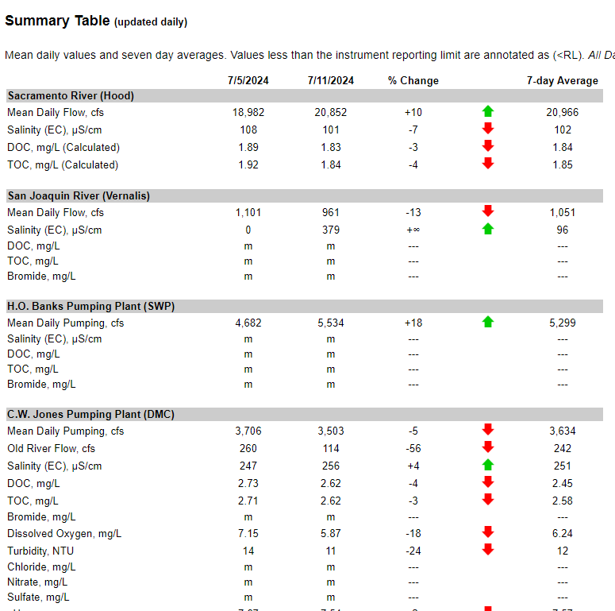
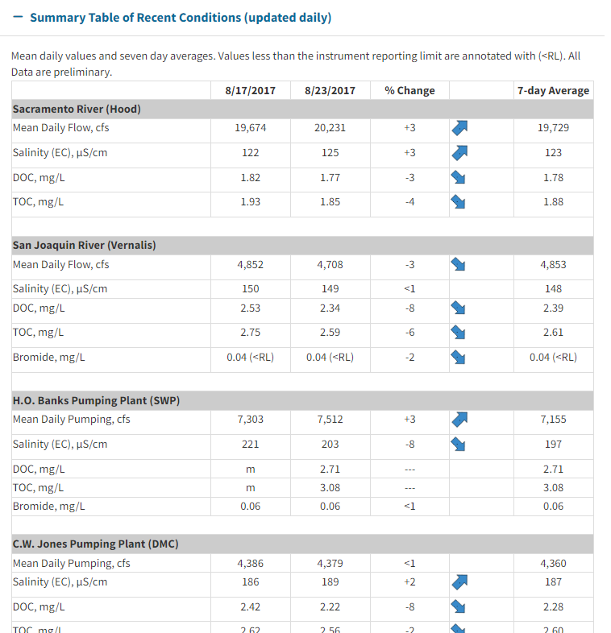
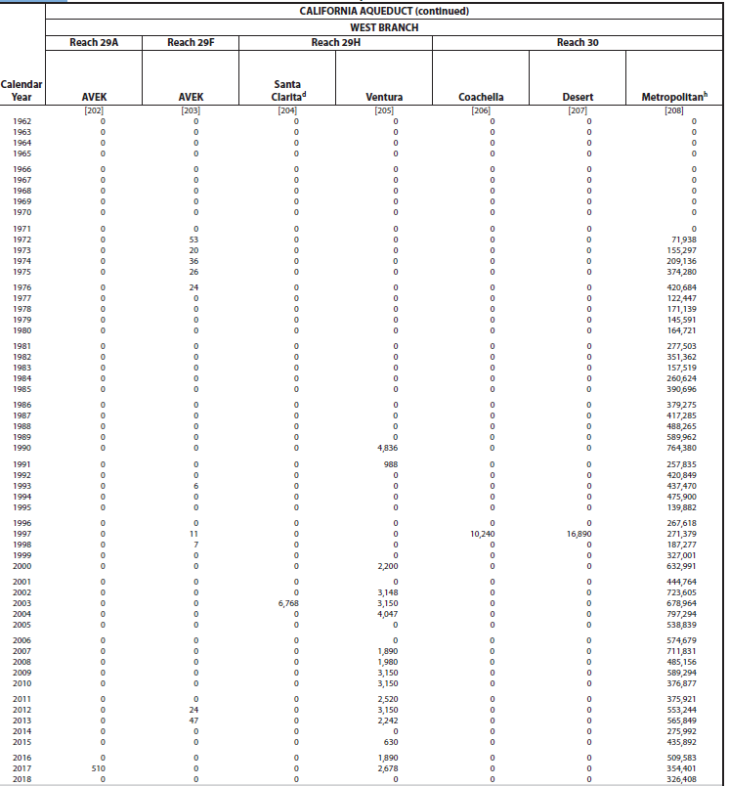
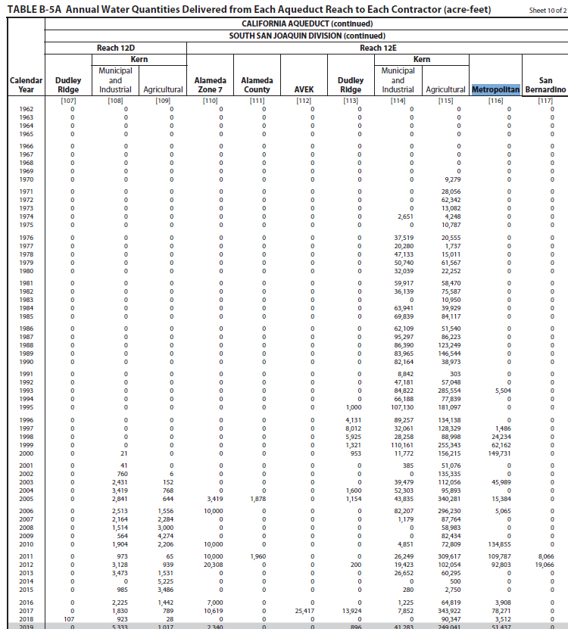
Division | Reach | Page Number |  | Branch | Region
San Luis | 3 | 376 | 420
San Luis | 3A | 377 | 421
San Luis | 5 | 378 | 422
South San Joaquin | 6 | 379 | 423
South San Joaquin | 7 | 379 | 423
South San Joaquin | 10A | 381 | 425
South San Joaquin | 11B | 382 | 426
South San Joaquin | 12E | 383 | 427
South San Joaquin | 13B | 384 | 428
South San Joaquin | 14C | 386 | 430
Mojave | 19 | 387 | 431 | East
Mojave | 20A | 387 | 431 | East
Santa Ana | 28G | 390 | 434 | East | Orange County
Santa Ana | 28H | 390 | 434 | East | Orange County
Santa Ana | 28J | 391 | 435 | East | Orange County
Santa Ana | EBX1 | 391 | 435 | East | Orange County
West Branch | 30 | 392 | 436 | West

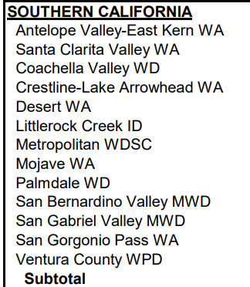
SoCal Contractors
AVEK
Santa Clarita
Coachella
Crestline
Desert
Littlerock
Metropolitan
Mojave
Palmdale
San Bernardino
San Gabriel
San Gorgonio
Ventura

https://rtdf.info/ |  |  |  |  |  | https://water.ca.gov/Programs/Integrated-Science-and-Engineering/Water-Quality-Monitoring-And-Assessment/RTDF-Summary

